Conditional Formatting 1
Conditional Formatting
 |  |  | % 33, 67 |  |  | % 33, 67 | Percentile 20, 80 | MAX and MIN
 | Data Bars | Color Scales | Icon Sets 1 | Icon Sets 2 | Icon Sets 3 | Icon Sets 4 | Icon Sets 5 | Formula | MAX | MIN | ID
A10 | 100 | 100 | 100 | 100 | 100 | 500 | 500 | 55 | FALSE | FALSE | 11
A9 | 90 | 90 | 90 | 90 | 90 | 165 | 600 | 90 | FALSE | FALSE | 10
A8 | 80 | 80 | 80 | 80 | 80 | 80 | 80 | 80 | FALSE | FALSE | 9
A7 | 70 | 70 | 70 | 70 | 70 | 70 | 70 | 70 | FALSE | FALSE | 8
A6 | 60 | 60 | 60 | 60 | 60 | 60 | 60 | 120 | TRUE | FALSE | 7
A5 | 50 | 50 | 50 | 50 | 50 | 50 | 50 | 50 | FALSE | FALSE | 6
A4 | 40 | 40 | 40 | 40 | 40 | 40 | 40 | 40 | FALSE | FALSE | 5
A3 | 30 | 30 | 30 | 30 | 30 | 30 | 30 | -1 | FALSE | TRUE | 4
A2 | 20 | 20 | 20 | 20 | 20 | 20 | 20 | 20 | FALSE | FALSE | 3
A1 | 10 | 10 | 10 | 10 | 10 | 10 | 10 | 10 | FALSE | FALSE | 2
A0 | 0 | 0 | 0 | 0 | 0 | 0 | 5 | 0 | FALSE | FALSE | 1

Learn more
Use conditional formatting to highlight information - Excel (microsoft.com)

 |  |  |  |  | Icon Sets 4 |  | Icon Sets 5
 |  |  |  |  | min + % * (max-min)
 |  |  |  |  | Min | 0
 |  |  |  |  | Max | 500
 |  |  |  |  | % (change) | 33.00

 |  |  |  |  |  | 165.00

 |  |  |  |  |  |  | https://www.khanacademy.org/math/ap-statistics/density-curves-normal-distribution-ap/percentiles-cumulative-relative-frequency/v/calculating-percentile
 |  |  |  |  |  |  |  | Percentile for? (change) | Points at and below | Total points
 |  |  |  |  |  |  | Analyzing 90 | 90 | #N/A | 10 | #N/A
 |  |  |  |  |  |  | Analyzing 80 | 80 | 79 | 11 | 718.18
 |  |  |  |  |  |  | Analyzing 20 | 20 | 20 | 11 | 181.82
 |  |  |  |  |  |  | Analyzing 10 | 10 | 10 | 11 | 90.91

Conditional Formatting 2
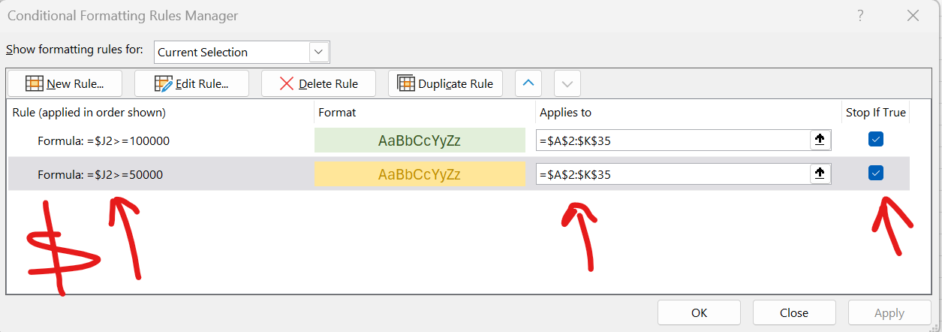
Segment | Country | Product | Units Sold | Manufacturing Price | Sale Price | Gross Sales | Sales | COGS | Profit | Date
Government | Canada | Carretera | 1,618.50 | 3.00 | 20.00 | 32,370.00 | 32,370.00 | 16,185.00 | 16,185.00 | 2014-01-01
Government | Germany | Carretera | 1,321.00 | 3.00 | 20.00 | 26,420.00 | 26,420.00 | 13,210.00 | 13,210.00 | 2014-01-01
Midmarket | France | Carretera | 2,178.00 | 3.00 | 15.00 | 32,670.00 | 32,670.00 | 21,780.00 | 10,890.00 | 2014-06-01
Midmarket | Germany | Carretera | 888.00 | 3.00 | 15.00 | 13,320.00 | 13,320.00 | 8,880.00 | 4,440.00 | 2014-06-01
Midmarket | Mexico | Carretera | 2,470.00 | 3.00 | 15.00 | 37,050.00 | 37,050.00 | 24,700.00 | 12,350.00 | 2014-06-01
Government | Germany | Carretera | 1,513.00 | 3.00 | 350.00 | 529,550.00 | 529,550.00 | 393,380.00 | 136,170.00 | 2014-12-01
Midmarket | Germany | Montana | 921.00 | 5.00 | 15.00 | 13,815.00 | 13,815.00 | 9,210.00 | 4,605.00 | 2014-03-01
Channel Partners | Canada | Montana | 2,518.00 | 5.00 | 12.00 | 30,216.00 | 30,216.00 | 7,554.00 | 22,662.00 | 2014-06-01
Government | France | Montana | 1,899.00 | 5.00 | 20.00 | 37,980.00 | 37,980.00 | 18,990.00 | 18,990.00 | 2014-06-01
Channel Partners | Germany | Montana | 1,545.00 | 5.00 | 12.00 | 18,540.00 | 18,540.00 | 4,635.00 | 13,905.00 | 2014-06-01
Midmarket | Mexico | Montana | 2,470.00 | 5.00 | 15.00 | 37,050.00 | 37,050.00 | 24,700.00 | 12,350.00 | 2014-06-01
Enterprise | Canada | Montana | 2,665.50 | 5.00 | 125.00 | 333,187.50 | 333,187.50 | 319,860.00 | 13,327.50 | 2014-07-01
Small Business | Mexico | Montana | 958.00 | 5.00 | 300.00 | 287,400.00 | 287,400.00 | 239,500.00 | 47,900.00 | 2014-08-01
Government | Germany | Montana | 2,146.00 | 5.00 | 7.00 | 15,022.00 | 15,022.00 | 10,730.00 | 4,292.00 | 2014-09-01
Enterprise | Canada | Montana | 345.00 | 5.00 | 125.00 | 43,125.00 | 43,125.00 | 41,400.00 | 1,725.00 | 2013-10-01
Midmarket | United States of America | Montana | 615.00 | 5.00 | 15.00 | 9,225.00 | 9,225.00 | 6,150.00 | 3,075.00 | 2014-12-01
Government | Canada | Paseo | 292.00 | 10.00 | 20.00 | 5,840.00 | 5,840.00 | 2,920.00 | 2,920.00 | 2014-02-01
Midmarket | Mexico | Paseo | 974.00 | 10.00 | 15.00 | 14,610.00 | 14,610.00 | 9,740.00 | 4,870.00 | 2014-02-01
Channel Partners | Canada | Paseo | 2,518.00 | 10.00 | 12.00 | 30,216.00 | 30,216.00 | 7,554.00 | 22,662.00 | 2014-06-01
Government | Germany | Paseo | 1,006.00 | 10.00 | 350.00 | 352,100.00 | 352,100.00 | 261,560.00 | 90,540.00 | 2014-06-01
Channel Partners | Germany | Paseo | 367.00 | 10.00 | 12.00 | 4,404.00 | 4,404.00 | 1,101.00 | 3,303.00 | 2014-07-01
Government | Mexico | Paseo | 883.00 | 10.00 | 7.00 | 6,181.00 | 6,181.00 | 4,415.00 | 1,766.00 | 2014-08-01
Midmarket | France | Paseo | 549.00 | 10.00 | 15.00 | 8,235.00 | 8,235.00 | 5,490.00 | 2,745.00 | 2013-09-01
Small Business | Mexico | Paseo | 788.00 | 10.00 | 300.00 | 236,400.00 | 236,400.00 | 197,000.00 | 39,400.00 | 2013-09-01
Midmarket | Mexico | Paseo | 2,472.00 | 10.00 | 15.00 | 37,080.00 | 37,080.00 | 24,720.00 | 12,360.00 | 2014-09-01
Government | United States of America | Paseo | 1,143.00 | 10.00 | 7.00 | 8,001.00 | 8,001.00 | 5,715.00 | 2,286.00 | 2014-10-01
Government | Canada | Paseo | 1,725.00 | 10.00 | 350.00 | 603,750.00 | 603,750.00 | 448,500.00 | 155,250.00 | 2013-11-01
Channel Partners | United States of America | Paseo | 912.00 | 10.00 | 12.00 | 10,944.00 | 10,944.00 | 2,736.00 | 8,208.00 | 2013-11-01
Midmarket | Canada | Paseo | 2,152.00 | 10.00 | 15.00 | 32,280.00 | 32,280.00 | 21,520.00 | 10,760.00 | 2013-12-01
Government | Canada | Paseo | 1,817.00 | 10.00 | 20.00 | 36,340.00 | 36,340.00 | 18,170.00 | 18,170.00 | 2014-12-01
Government | Germany | Paseo | 1,513.00 | 10.00 | 350.00 | 529,550.00 | 529,550.00 | 393,380.00 | 136,170.00 | 2014-12-01
Government | Mexico | Velo | 1,493.00 | 120.00 | 7.00 | 10,451.00 | 10,451.00 | 7,465.00 | 2,986.00 | 2014-01-01
Enterprise | France | Velo | 1,804.00 | 120.00 | 125.00 | 225,500.00 | 225,500.00 | 216,480.00 | 9,020.00 | 2014-02-01
Channel Partners | Germany | Velo | 2,161.00 | 120.00 | 12.00 | 25,932.00 | 25,932.00 | 6,483.00 | 19,449.00 | 2014-03-01

